SILs and Recovery notes
Stream Inspection Log (SIL) Definitions

 | PAGE 1
Field Name | Inspection Details:
Stream Name: | The name of the stream being surveyed.
Observer 1: | The first and last name of the person responsible for and conducting the inspection.
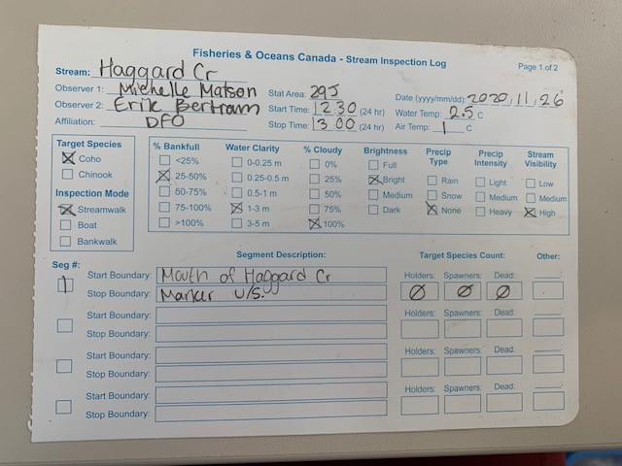
Observer 2: | The first and last name of the other person(s) participating in the inspection.
Affiliation: | The name of the organisation that Observer 1 is associated with. E.g. DFO, First Nation band or consulting company.
Stat Area: | DFO Statistical Management Areas. 29J (NT) and 29F (MF).
Start Time: | The time the inspection began using the 24-hour format. E.g. 7:43 am is recorded as 07:43 ; and, 3:17 pm is recorded as 15:17
Stop Time: | The time the inspection ended using the 24-hour format.
Date: | The date the inspection was conducted using the format YYYY / MM / DD. E.g. August 21, 2010 is recorded as 2010 / 08 / 21
Water Temperature: | The water temperature recorded in degrees Celsius.
Air Temperature: | The air temperature recorded in degrees Celsius.
Target Species: | The main species for which the enumeration effort is focused.
Inspection Mode: | The main method used during the inspection.
% Bankfull | The percentage of channel that is full of water.
Water Clarity | A measure of how far you can reliably see.
% Cloudy | The percentage of cloud cover at the beginning of the inspection.
Brightness: | The quality of light reaching the water surface:
 | Full = direct sunlight, shadows are well defined
 | Bright = hazy or light cloud cover and the outline of the sun is visible
 | Medium = cannot see the outline of the sun, no shadows
 | Dark = poor lighting
Precip Type: | This describes the type of precipitation observed.
Precip Intensity: | This describes the intensity of the precipitation. Do not tick any boxes if "None" was recorded in Precip Type.
Stream Visibility: | A classification of how visible the fish were during the inspection based on influences by water conditions, environmental conditions and precipitation.
Segment #: | The predetermined number assigned to a particular Segment of a stream used annually for surveying the stream.
Start Boundary: | The description of the Segment's Start Boundary as described in NuSEDs (DFO database).
Stop Boundary: | The description of the Segment's Stop Boundary as described in NuSEDs (DFO database).
Target Species Count:
Holders: | The number of fish observed in the Segment that are not paired, not actively spawning and are usually observed in pools schooled with other fish.
Spawners: | The number of fish observed in the Segment that are paired and/or actively spawning. Spawning fish may also be observed in pools but are distinguishable from holding fish by their white, abraded caudal (tail) fin.
Dead: | The number of dead adult fish observed in the Segment.

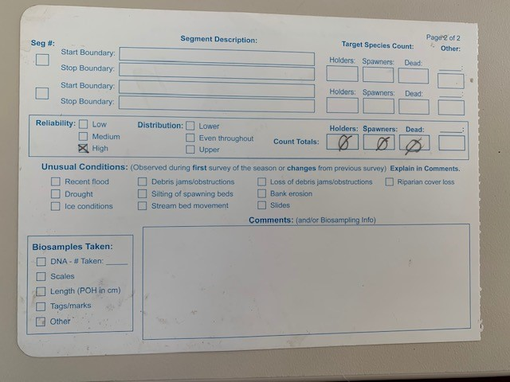
 | PAGE 2
Field Name: | Inspection Summary:
Reliability: | The observer's estimate of the overall reliability of the count for the inspection. The estimate is based on the Stream Visibility and Environmental Conditons.
Distribution: | This describes the distribution of the fish in the stream.
Count Totals:
Holders: | The sum of all Holders observed in all of the Segments inspected.
Spawners: | The sum of all Spawners observed in all of the Segments inspected.
Dead: | The sum of all Dead (adults) observed in all of the Segments inspected.
Unusual Conditions: | This indicates whether any unusual stream conditions were observed during the inspection.
Recent Flood | An unusual high magnitude water event that produces changes to the channel or enough bedload movement to significantly scour redds and eggs.
Drought | Conditions dry enough to impede normal fish passage/spawning or to desiccate (dry out) redds and eggs.
Ice Conditions | Freezing conditions that cause ice to form.
Debris jams/obstructions | The appearance of unusual debris that results in jams or obstructions appearing since the last inspection.
Silting of spawning beds | An unusual deposition of fine particles sufficient to smother eggs.
Loss of debris jams/obstructions | The loss of debris that results in the elimination of jams or obstruction since the last inspection.
Bank erosion | An unusual new degradation of the stream banks.
Slides | An unusual slope failure resulting in the deposition of large amounts of materials into the stream.
Riparian cover loss | An unusual loss of the stream side vegetation.
Biosamples Taken: | Indicates whether biosamples were taken during the inspection.
DNA | Indicates whether operculum punches (samples) were taken for subsequent DNA analysis. The total number of samples taken during the inspection must be recorded in the Biosampling Details.
Scales | Indicates whether scale samples were taken from carcassess.
Length | Indicates whether length measurements were taken from carcasses.
Tags/marks | Indicates whether tags/marks were recovered during the stream inspection.
Other | Indicates whether any other biological samples were taken. Samples must be described in the Biosampling Details.
Comments: | This is where any and all unusual conditions need to be described in detail. Any other comments relating to the inspection should also be recorded in the comments. This is also where more information pertaining to collected biosamples can be provided.

Recovery Datasheet

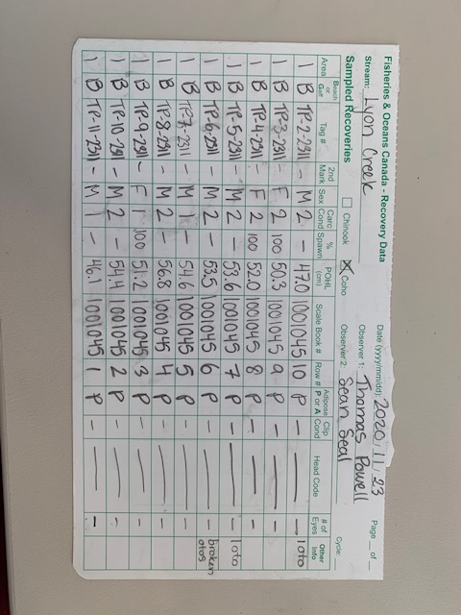
 | FRONT
Field Name: | Description:
Stream: | The name of the stream being surveyed
Sampled Recoveries: | The species being surveyed.
Date: | The date the inspection was conducted using the format YYYY / MM / DD. E.g. August 21, 2010 is recorded as 2010 / 08 / 21
Observer 1: | The first and last name of the person responsible for and conducting the inspection.
Observer 2: | The first and last name of the other person(s) participating in the inspection.
Page _ of _ : | Indicates how many pages of recovery notes were completed on the survey.
Cycle: | When conducting visual surveys this can be left blank. On Mark Recapture projects Cycle # should be recorded on each recovery form (this can be confirmed and filled out at the end of the day when data verification occurs if the Cycle # is not known)
Area: | The segment or reach in which the carcass was recovered.
Beach or Gaff: | Indicates how the carcass was recovered; Beach carcasses can be recovered with a peugh. Gaff caraccesses are too deep to be recovered with a peugh.
Tag # : | Most applicable for Mark Recapture projects. Tags will not be recovered on any of the NT - MF Coho surveys. This column can be used to record otolith vial labels if otoliths are collected.
2nd Mark: | Secondary marks refer to operculum punches, which will not be encountered on the NT-MF Coho surveys.
Sex: | The sex of the carcass being sampled. The carcass needs to be cut open to confirm sex. NK = not known. Identify why NK in comments.
Carc condition: | 1 = Fresh. The body is firm and appears fresh. Gills have pink or red on both sides. 2 = Body starting to soften. Gills have pink on at least one side. 3 = Soft or dry body. Gills have no colour in them. Scales may be hard to pull or find in the preferred area. 4 = Rotten or dried out. You cannot sample the carcass accurately.
% Spawn: | This is recorded for females only and indicates spawning success. Every female shoud be inspeted to confirm % spawn. 100% = fully spawned. There may be a few loose eggs. No egg skein. 50% = partially spawned. Enough eggs to fill a cupped hand. Skein not usually intact. 0% = a female that did not spawn. Skeins still intact. NK = not known. Percent spawn cannot be determined.
POHL (cm): | The Post Orbital Hypural Length, recorded to the nearest millimetre (ex 55.4). If the carcass is predator affected and it is not possible to obtain an accurate length (spine must be intact) UK should be recorded.
Scale Book #: | The scale book identifier number.
Row #: | The row in the scale book used for scale placement. On the NT-MF Coho surveys, a total of 5 scales are collected from each carcass and placed in a column. One scale book accommodates scale samples from 10 fish.
Adipose P or A | This indicates if a fish was reared in a hatchey and tagged with a CWT before being released. Fish tagged with a CWT are Adipose Fin Clipped (AFC); the adipose fin is Absent. None of the populations assessed on this program are hatchery enhanced so Adipose fins should always be Present (natural origin fish). If the carcass is predator affected and the status of the Adipose fin cannot be determined, UK should be recorded.
Clip Condition | When Adipose A, clip condition indicates how clean the adipose fin clip is. 1= good clip, adipose fin completely removed from the fish. 2= partial clip, nub or small part of the adipose fin remains on fish. 3= poor clip, signifcant portion of adipose fin remains - it can be difficult to determine whether the fin was clipped or not.
Head Code | Unique identifier for head sample taken from an Adipose A fish.
# of Eyes | Recorded when head sample taken from an Adipose A fish.
Other Info | Comments: pred affect, 1 otolith, etc.

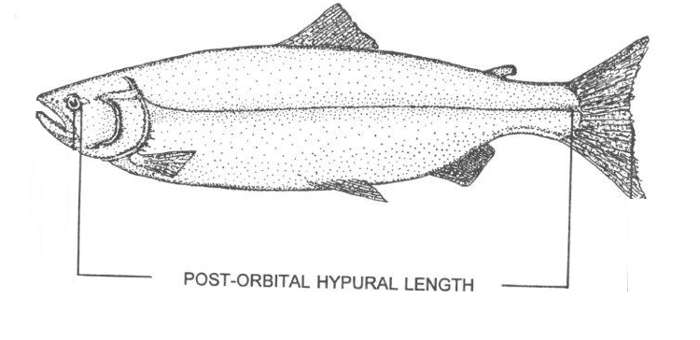

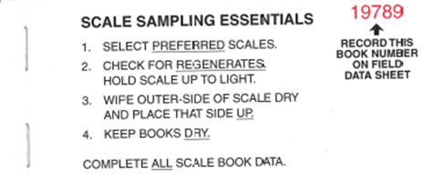

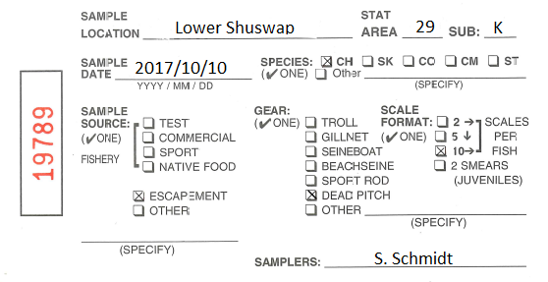

 |  |  | Scale placement on this program is 5 down,
 |  |  | choose the correct 'Scale Format'
 |  |  | (Lower Shu Chinook sampling uses
 |  |  |  | the 10 across format)

 |  | ONE scalebook per stream

